About
CSpULApYbP CO2 Sequestered per Unit Land Area per Year by Policy

Sources: | County-Level Sequestration Estimates
 | U.S. Forest Service
 | 2014
 | New Cost Estimates for Carbon Sequestration Through Afforestation in the United States
 | http://www.fs.fed.us/pnw/pubs/pnw_gtr888.pdf
 | Excel spreadsheet containing data available at the following URL (from Appendix, Para 1):
 | http://www.fs.fed.us/pnw/pubs/pnw_gtr888/county-level-data_nielsen2013.xlsx

 | Total Aboveground Live Carbon in U.S. Forests
 | Forestry Industry and Analysis National Program
 | 2014
 | Total Aboveground Live Carbon
 | http://www.fia.fs.fed.us/Forest%20Carbon/default.asp
 | Standard Tables of Forest Carbon Stock Estimates by State, "Live AG"

 | Total U.S. Forest Acreage
 | U.S. Forest Service
 | 2010
 | National Report on Sustainable Forests 2010
 | http://www.fs.fed.us/research/sustain/docs/national-reports/2010/2010-sustainability-report.pdf
 | Page II-16, "What does the indicator show?"

 | Felling Cycle Length
 | North Carolina Forestry Association
 | undated
 | Forest Management Basics
 | https://www.ncforestry.org/teachers/forest-management-basics/
 | Under "Group Selection Harvest" header

 | CO2 per land unit: reforestation and avoided deforestation
 | Nature4Climate
 | US Carbon Mapper
 | https://nature4climate.org/u-s-carbon-mapper/
 | Data underlying the online mapper send by Joe Fargione upon request September 22, 2021

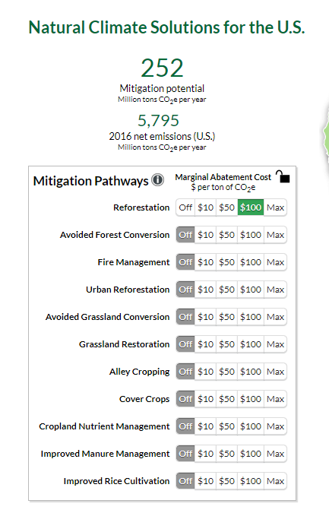
Notes
Avoid deforestion, peatland restoration, and forest restoration policies
are not used in the U.S. version of the model.

This variable is not used for the improved forest management policy.

Hence, for the U.S. version, this variable contains data for Forest Set-Asides and
Afforestation/Reforestation.

Afforestation/Reforestation
For the Afforestation/Reforestation policy, this variable represents the amount of
CO2 sequestered each year by the new forest that is growing on a given acre.

Forest Set-Asides
Whether or not an area of forest is harvested for timber (assuming it
remains forest after timber harvesting and is allowed to regrow), sequestration
of CO2 happens with plant growth. While the CO2 sequestration rate may be
different for a recently-harvested forest and a forest that has just reached
the point of being ready to harvest, we assume these sequestration rates
are roughly the same. Hence, the avoided emissions from the Forest
Set-Asides policy comes from not releasing the carbon
associated with the forest by killing the trees and other plants.

We annualize abatement from avoidance of logging over the time required
for the forest to regenerate to the point where another logging operation
would take place (the felling cycle length). This avoids unrealistic,
spiky results and also allows the associated policies to be treated in a way
consistent with other land use sector policies (except improved forest management).

